data_original
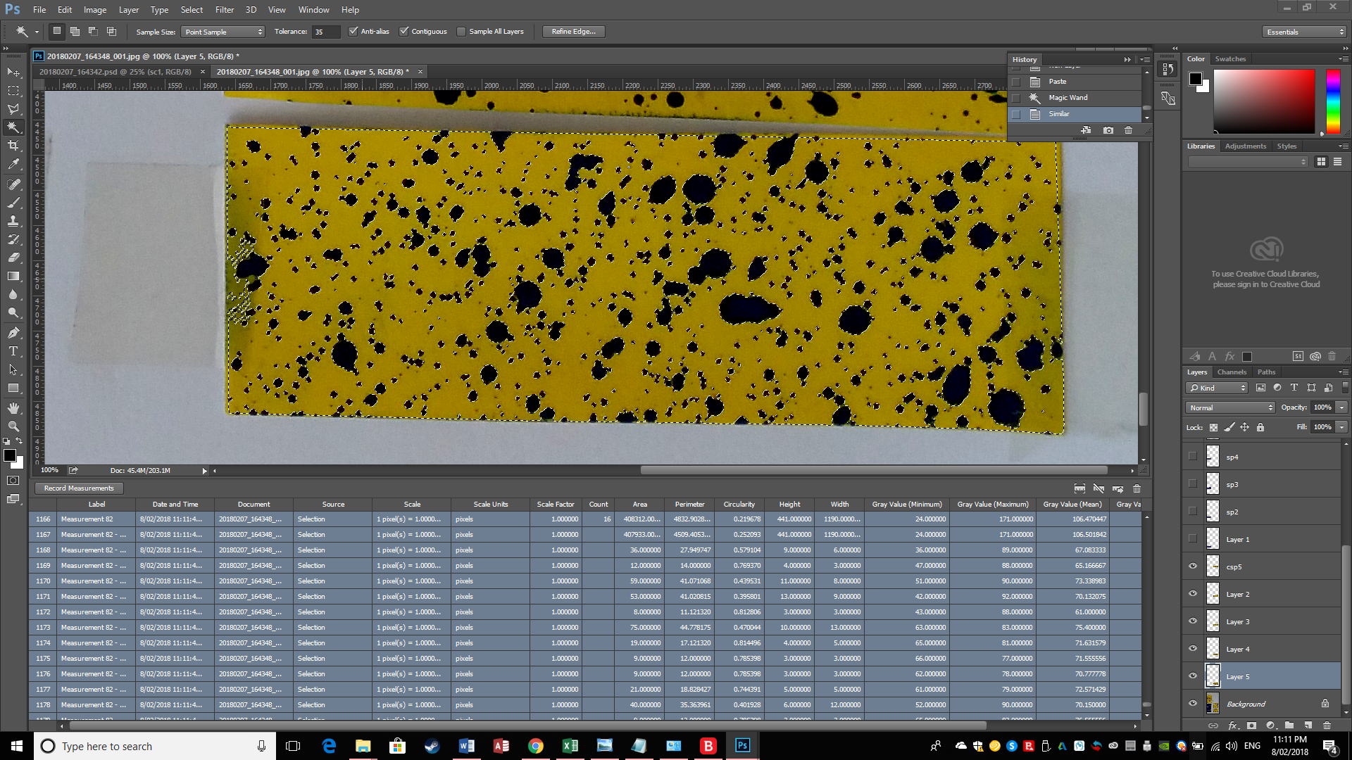
Sheet 1 - 342
 |  | all | yellow |  | Percent sprayed
top left | Fine Boom 5 A | 325268 | 273327 |  | 0.15968678136 |  | mean | 0.17794990695
 | Fine Boom 4 A | 302032 | 254311 |  | 0.15799981459 |  | se | 0.019800988712
 | Fine Boom 3 A | 348692 | 278840 |  | 0.20032578895
 | Fine Boom 2 A | 324470 | 282636 |  | 0.12893025549
 | Fine Boom 1 A | 318986 | 241534 |  | 0.24280689435

bototm left | Spot 5 A |  |  |  | 1 |  | mean | 0.95618017287
 | Spot 4 A | 392946 | 8643 |  | 0.97800461132 |  | se | 0.033026797827
 | Spot 3 A | 398426 | 2679 |  | 0.99327604122
 | Spot 2 A | 396621 | 6068 |  | 0.98470075967
 | Spot 1 A | 402866 | 70534 |  | 0.82491945213

bototm right | coarse boom 5 A | 415928 | 333691 |  | 0.1977193168 |  | mean | 0.20544299269
 | coarse boom 4 A | 416675 | 341194 |  | 0.18115077698 |  | se | 0.01241388897
 | coarse boom 3 A | 413141 | 338875 |  | 0.17975945258
 | coarse boom 2 A | 419993 | 324679 |  | 0.2269418776
 | coarse boom 1 A | 423744 | 321349 |  | 0.2416435395

sheet - 348

top left | Fine Boom 5 B | 341181 | 326707 |  | 0.042423229898 |  | mean | 0.11841657789
 | Fine Boom 4 B | 368330 | 289185 |  | 0.21487524774 |  | se | 0.037398648008
 | Fine Boom 3 B | 365756 | 294199 |  | 0.19564135653
 | Fine Boom 2 B | 362542 | 325409 |  | 0.10242399501
 | Fine Boom 2 B | 375173 | 361397 |  | 0.036719060274
 |  |  | full yellow | part yellow |  | part sprayed | mean | 0.94194112597
bottom left | Spot 5 B | 363740 | 1667 | 107343 | 0.99541705614 | 0.70489085611 | se | 0.042212879329
 | Spot 4 B | 374680 | 16301 |  | 0.95649354116
 | Spot 3 B | 405444 | 1069 |  | 0.99736338434
 | Spot 2 B | 448208 | 81354 |  | 0.81849052226
 | Spot 1 B | 402396 | 382 |  | 0.99905068639

bottom right | coarse boom 5 B | 439616 | 369644 |  | 0.15916618139 |  | mean | 0.12537040227
 | coarse boom 4 B | 458072 | 427963 |  | 0.065729841597 |  | se | 0.018595501549
 | coarse boom 3 B | 470438 | 402797 |  | 0.14378302773
 | coarse boom 2 B | 484027 | 436267 |  | 0.098672181511
 | coarse boom 1 B | 485797 | 408312 |  | 0.15950077913

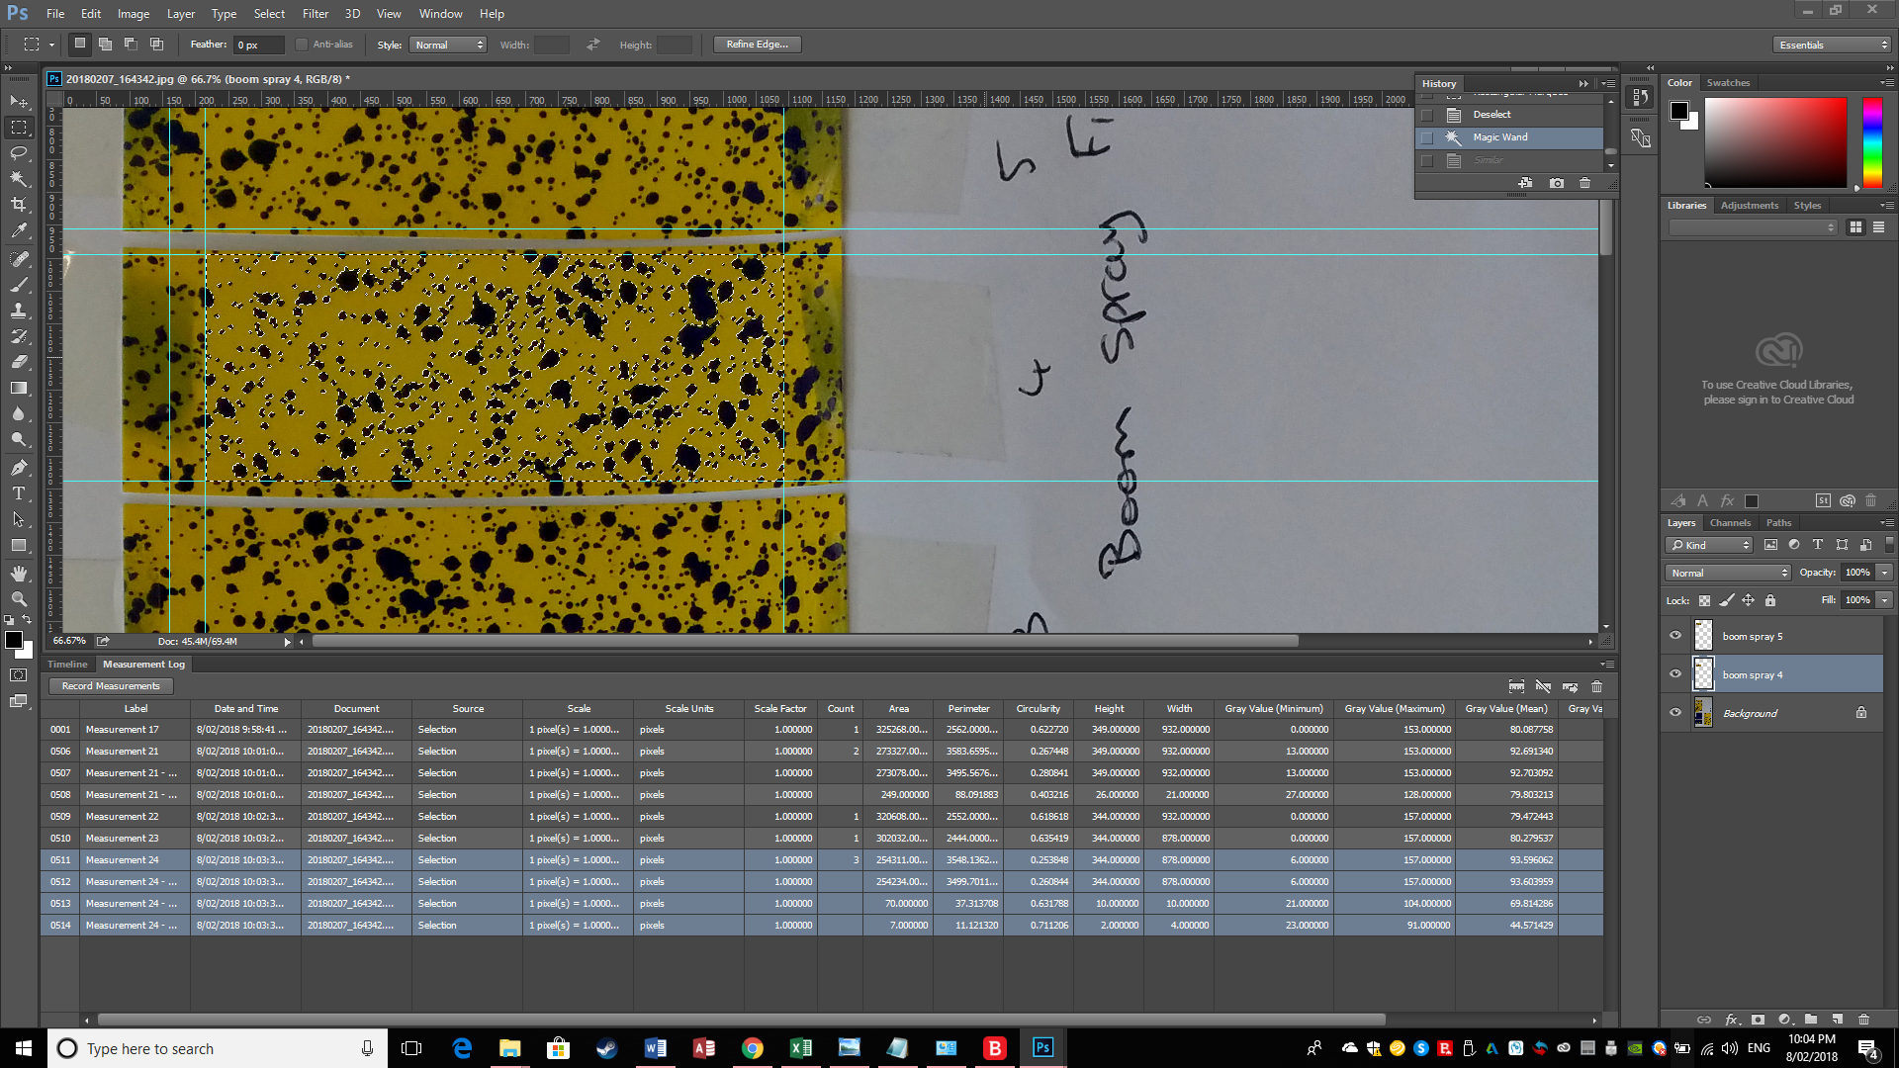

 | csp1

